Score Sheet
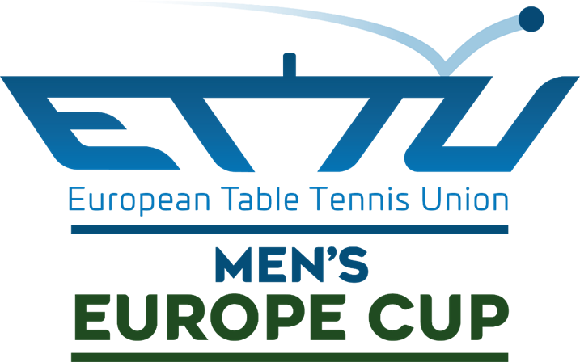

 |  | SCORE SHEET

Match No |  | Date | Table |  | Group |  | Stage/Round

 | Team A |  |  | Team B
1 | TTC Ostrava 2016 (CZE) |  | vs | TTC Sokah Hoboken (BEL) |  |  |  |  |  |  | 2
 | COLOUR SHIRT |  |  | COLOUR SHIRT
 |  | Coach |  | Coach
 | 21 | Carlos MACHADO SOBRADOS | 50

 | Start: |  |  | Referee
 | End:
Umpire | U3 |  | Assist. Umpire |  | U5

Player |  | Lineup Team A |  | Lineup Team B
1 | 17 | Jie Fy THAM | 47 | Raphael STÜTZ
2 | 18 | Marc GIJS | 48 | Thomas SANCHI
3 | 20 | Etienne JANSSENS | 49
(res) | 19 | Sam MABEY |  | #N/A

 | Match |  |  | Results |  |  |  |  |  | Games
 |  |  |  | 1 | 2 | 3 | 4 | 5
1-2 | Jie Fy THAM vs. Thomas SANCHI
2-1 | Marc GIJS vs. Raphael STÜTZ
3-3 | Etienne JANSSENS vs.
1-1 | Jie Fy THAM vs. Raphael STÜTZ
2-2 | Marc GIJS vs. Thomas SANCHI

Winner |  | 0 | Match |  | Games |  | Points
 |  |  |  |  | 0 | 0 | 0 |  | 0
 |  |  | A | B | A | B | A |  | B

Cards | Y-YR | Player | Reason

Protest |  | Signature Referee | Signature Team A |  |  | Signature Team B
Team A | Team B
Yes | Yes
No | No

